PRD
 | Product Requirement Document (PRD) - Version: 1.0

 | Template Name |  | Money Transfer system using Blockchain
 | Goals & Objective |  | We all transfer money. The goal of this website is to provide a secure and efficient platform for individuals and businesses to transfer money using blockchain technology. From this website user/miner can : - Send & Receive money with low cost transaction fee - Can see transparent ledger where all activity of transaction is shown - Can see block information - Miners can mine blocks - Miners can verify blocks - User/Miners can update their profile information
 | Client Information
 | Product Type |  | Web Application
 | Domain |  | Web3
 | Access Layers |  | User, Miner
 | Design Required |  | Yes

Role | Phase | Item No | Specification [Role] | Screen Definition | User Story | Acceptance Criteria | UI Screen / Wireframe | Tags
Rabbi Hossen | Feature: 1 |  | Onboarding Feature
Rabbi Hossen | Feature: 2 |  | Dashboard
Rabbi Hossen | Feature: 3 |  | Top bar and Bottom Bar
Rabbi Hossen | Feature: 4 |  | Send Money
Rabbi Hossen | Feature: 5 |  | Public Ledger
Md Shamim Ahmed | Feature: 6 |  | Block
Md Shamim Ahmed | Feature: 7 |  | Mempool
Md Shamim Ahmed | Feature: 8 |  | Mine Blocks
Md Shamim Ahmed | Feature: 9 |  | Verify Blocks
Ferdous,Mahfuzur Rahman | Feature: 10 |  | Profile
Md Shamim Ahmed | Feature: 11 |  | Transaction details
Md Shamim Ahmed | Feature: 12 |  | Block details
Tanim, Taifur Mohammad | Feature: 13 |  | Notification
Tanim, Taifur Mohammad | Feature: 14 |  | Fllowed User
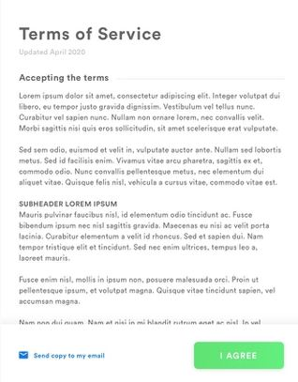
Tanim, Taifur Mohammad | Feature: 15 |  | Legal Agreement Feature
Ferdous,Mahfuzur Rahman | Feature: 16 |  | Transaction History
Ferdous,Mahfuzur Rahman | Feature: 17 |  | About
Tanim, Taifur Mohammad | Feature: 18 |  | Learning Portal
Ferdous,Mahfuzur Rahman | Feature: 19 |  | Deposit
Tanim, Taifur Mohammad | Feature: 20 |  | FAQ
Tanim, Taifur Mohammad | Feature: 21 |  | Currency Converstion
Tanim, Taifur Mohammad | Feature: 22 |  | Request Bitcoin
Ferdous,Mahfuzur Rahman | Feature: 22 |  | Bill Payment

